<#=(<#Config>!N10)>
This Comment will be deleted on the report
Report created on <#evaluate(text(<#Date>, "yyyy/mm/dd"))>

 | <#if(trim(<#Name>)="";"I would like to say Hello, but you should tell me your real name";"Hello <#Name>")>

<#RealName>, Look at the following things:
Sheet Name
Cells A1 and B5
Comments on C2 and B5
Headers and footers (Do a print preview)
Images
Hyperlink on cell G9
WordArt text
Text on THIS Autoshape
 |  |  |  |  |  | This cell is formatted as date
 |  |  |  |  | <#Date>
 |  |  |  | Go to <#RealName> home page. | <#Date>
 |  |  |  |  |  | This cell is not formatted. (and has the same value as above)

This image is static. You just put it on the template, and it will be on the final report.

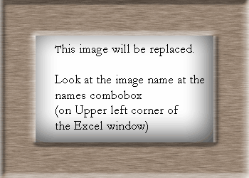
Text is changed inside WordArt too!

<#RealName>

This image is dynamic. It will be replaced by another when the report is created.

 |  |  | This cell has wrap enabled

 |  | <#TwoLines>

 |  | <#TwoLines>
 |  |  | This cell does not have wrap enabled

